Circular References Example
SOLUTION - Circular References - Example

Task 1: First, allow iterative calculation in your document.

From the File tab, select Options. Then, in the Formulas section, tick the Enable iterative calculation button as indicated here.

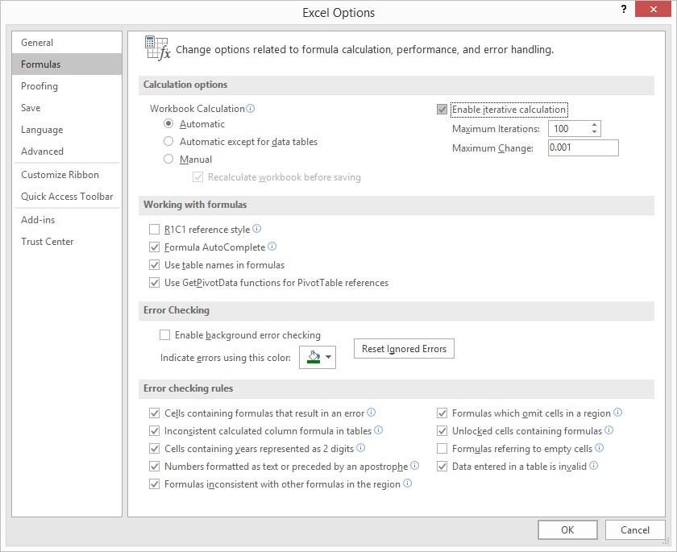

Task 2: D&A and Capex are calculated as a percentage of Ending PP&E. Use the percentage values shown below the table.

D&A with Ending PP&E - Intentional Circular References

 |  |  |  | Forecast
$ in mln | 31-Dec-14 | 31-Dec-15 | 31-Dec-16 | 31-Dec-17 | 31-Dec-18 | 31-Dec-19 | 31-Dec-20 | 31-Dec-21
Beginning PP&E |  | 632.5 | 632.5 | 659.5 | 673.9 | 688.6 | 703.6 | 718.9
D&A |  | (44.0) | (41.0) | (45.3) | (46.3) | (47.3) | (48.3) | (49.4)
Capex |  | 44.0 | 68.0 | 59.7 | 61.0 | 62.3 | 63.7 | 65.0
Ending PP&E | 632.5 | 632.5 | 659.5 | 673.9 | 688.6 | 703.6 | 718.9 | 734.6

D&A as a % of Ending PP&E |  | -7.0% | -6.5% | -6.7% | -6.7% | -6.7% | -6.7% | -6.7%
Capex as a % of Ending PP&E |  | 7.0% | 10.8% | 8.9% | 8.9% | 8.9% | 8.9% | 8.9%

